Sheet1
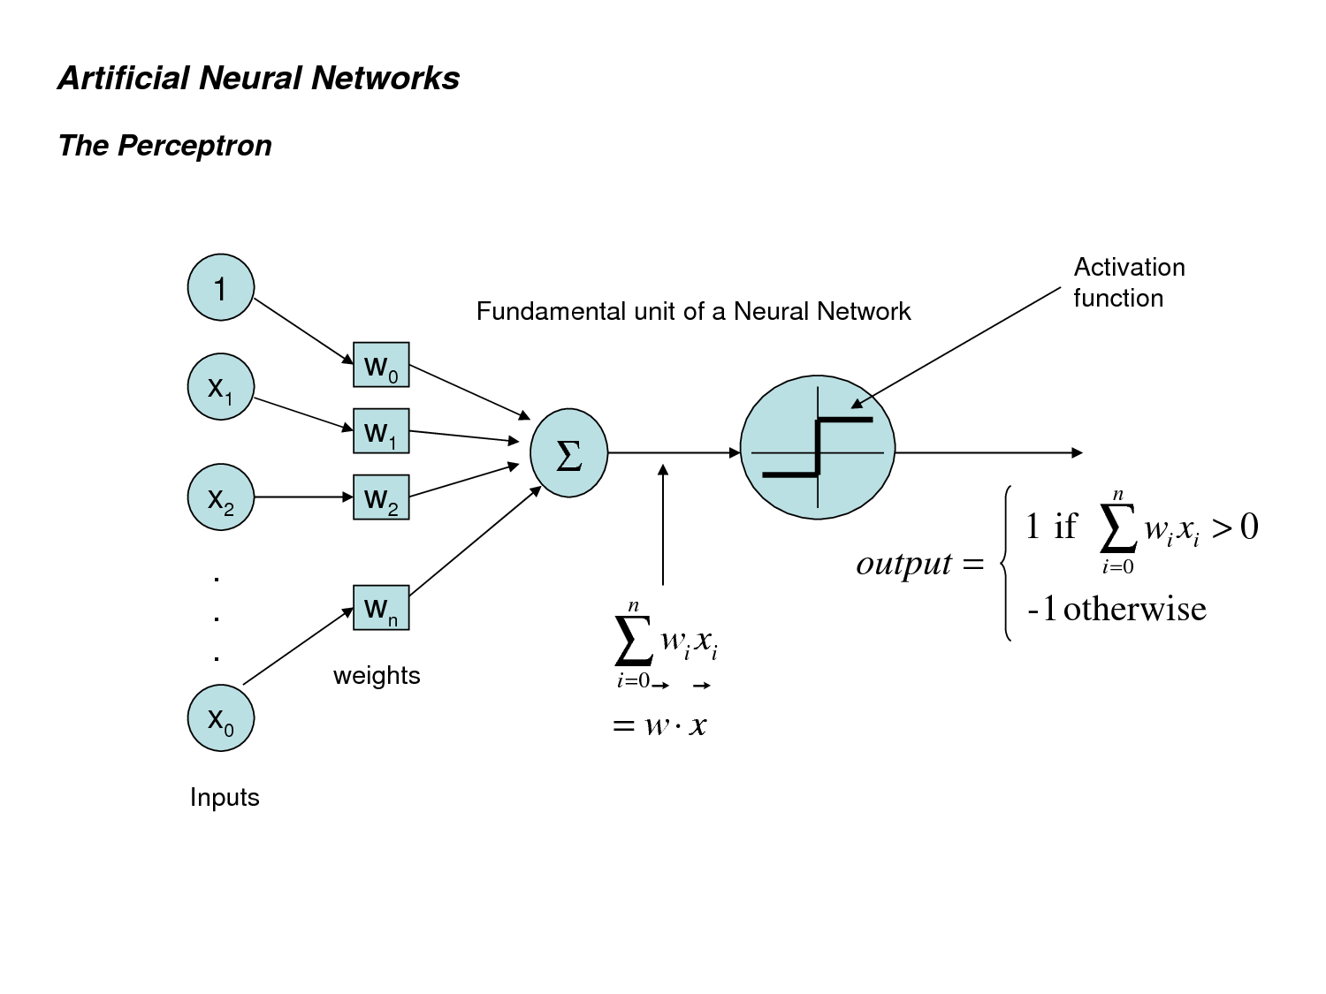
 | X0 | X1 | X2 | w0 | w1 | w2 | sum_product | Y(output) Activation Function | Y(Desired) Actual | error Actual - Output | Change_w0 | Change_w1 | Change_w2 | Learning_rate | https://www.youtube.com/watch?v=t3VBY9OisCo&t=11s
1 | 1 | 0 | 0 | 0.07127915779 | 0.3531978613 | 0.5590338511 | 0.07127915779 | 1 | 0 | -1 | -0.5 | 0 | 0 | 0.5
2 | 1 | 0 | 1 | 0.1022864998 | 0.8287310972 | 0.1029660266 | 0.2052525264 | 1 | 1 | 0 | 0 | 0 | 0
3 | 1 | 1 | 0 | 0.763980162 | 0.2593100027 | 0.1185301075 | 1.023290165 | 1 | 1 | 0 | 0 | 0 | 0
4 | 1 | 1 | 1 | 0.2829890611 | 0.008413205453 | 0.0313337493 | 0.3227360159 | 1 | 0 | -1 | -0.5 | -0.5 | -0.5
1 | 1 | 0 | 0 | -0.5 | 0 | 0 | -0.5 | 0 | 0 | 0 | 0 | 0 | 0
2 | 1 | 0 | 1 | 0 | 0 | 0 | 0 | 1 | 1 | 0 | 0 | 0 | 0
3 | 1 | 1 | 0 | 0 | 0 | 0 | 0 | 1 | 1 | 0 | 0 | 0 | 0
4 | 1 | 1 | 1 | -0.5 | -0.5 | -0.5 | -1.5 | 0 | 0 | 0 | 0 | 0 | 0
1 | 1 | 0 | 0 | 0 | 0 | 0 | 0 | 1 | 0 | -1 | -0.5 | 0 | 0
2 | 1 | 0 | 1 | 0 | 0 | 0 | 0 | 1 | 1 | 0 | 0 | 0 | 0
3 | 1 | 1 | 0 | 0 | 0 | 0 | 0 | 1 | 1 | 0 | 0 | 0 | 0
4 | 1 | 1 | 1 | 0 | 0 | 0 | 0 | 1 | 0 | -1 | -0.5 | -0.5 | -0.5
1 | 1 | 0 | 0 | -0.5 | 0 | 0 | -0.5 | 0 | 0 | 0 | 0 | 0 | 0
2 | 1 | 0 | 1 | 0 | 0 | 0 | 0 | 1 | 1 | 0 | 0 | 0 | 0
3 | 1 | 1 | 0 | 0 | 0 | 0 | 0 | 1 | 1 | 0 | 0 | 0 | 0
4 | 1 | 1 | 1 | -0.5 | -0.5 | -0.5 | -1.5 | 0 | 0 | 0 | 0 | 0 | 0

